Print Page 1
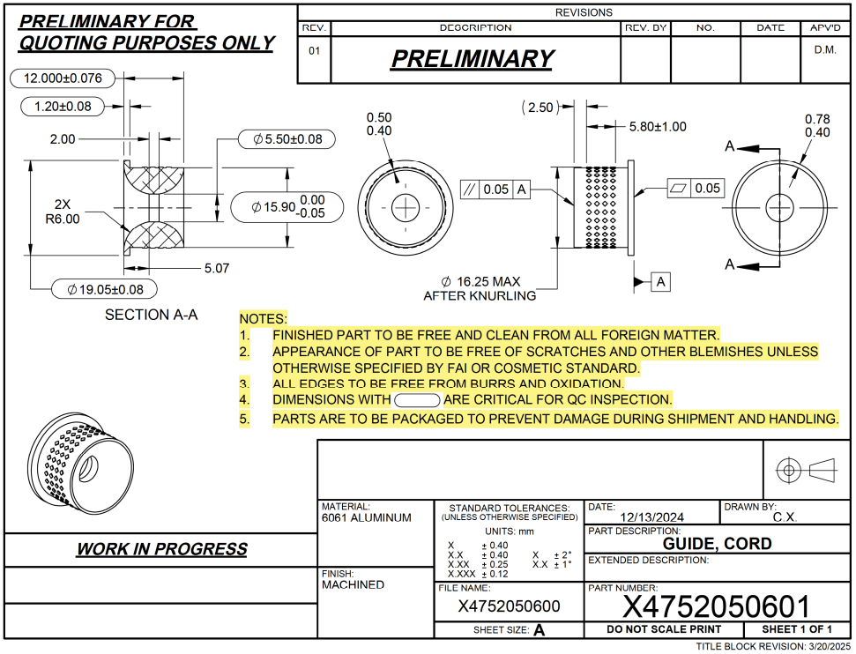

1

8
7
5
4

3
6

2

Tolerance Table
